Sheet1
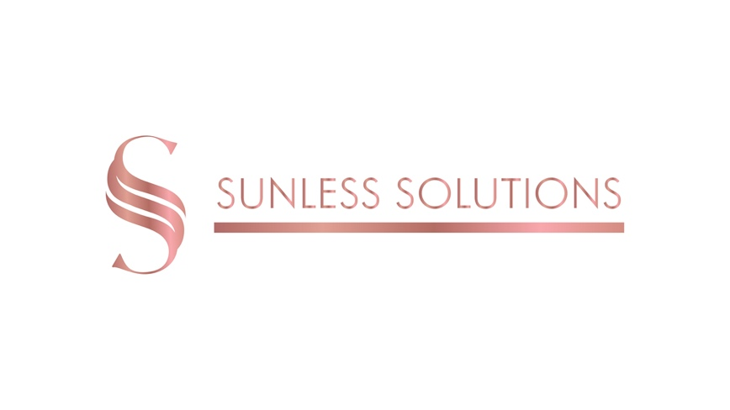

Product | Size | Strength | Retail Price | PRICE YOU PAY to SS when ordering up to £100 | % Discount on your order | YOUR EARNINGS per product | PRICE YOU PAY to SS when ordering £101 to £200 p/w | % Discount on your order | YOUR EARNINGS per product | PRICE YOU PAY to SS when ordering £201 to £499 p/w | % Discount on your order | YOUR EARNINGS per product | PRICE YOU PAYto SS when order £500+ p/w | % Discount on your order | YOUR EARNINGS per product
PROFESSIONAL SPRAY TAN SOLUTION
LIGHT DHA Tanning Solution | 1000ml | 8% | £38.40 | £28.80 | 25% | £9.60 | 26.88 | 30% | £11.52 | £24.96 | 35% | £13.44 | £21.12 | 45% | 17.28
MEDIUM DHA Tanning Solution | 1000ml | 10% | £38.40 | £28.80 | 25% | £9.60 | 26.88 | 30% | £3.00 | £24.96 | 35% | £13.44 | £21.12 | 45% | 17.28
DARK DHA Tanning Solution | 1000ml | 12% | £38.40 | £28.80 | 25% | £9.60 | 26.88 | 30% | £11.52 | £24.96 | 35% | £13.44 | £21.12 | 45% | 17.28
Rapid DHA Tanning Solution | 1000ml | Rapid | £46.80 | £35.10 | 25% | £11.70 | 32.76 | 30% | £14.04 | £30.42 | 35% | £16.38 | £25.74 | 45% | 21.06
SELF TAN
GLO Dust | 250g | N.A | £35.99 | £26.99 | 25% | £9.00 | 25.19 | 30% | £10.80 | £23.39 | 35% | £12.60 | £19.79 | 45% | 16.20
Light GLO Drops | 30ml | Light | £23.99 | £17.99 | 25% | £6.00 | 16.79 | 30% | £7.20 | £15.59 | 35% | £8.40 | £13.19 | 45% | 10.80
Medium GLO Drops | 30ml | Medium | £23.99 | £17.99 | 25% | £6.00 | 16.79 | 30% | £7.20 | £15.59 | 35% | £8.40 | £13.19 | 45% | 10.80
Dark GLO Drops | 30ml | Dark | £23.99 | £17.99 | 25% | £6.00 | 16.79 | 30% | £7.20 | £15.59 | 35% | £8.40 | £13.19 | 45% | 10.80
PREP IT Spray | 200ml | N/A | £23.99 | £17.99 | 25% | £6.00 | 16.79 | 30% | £7.20 | £15.59 | 35% | £8.40 | £13.19 | 45% | 10.80
GLO UP Light Tanning Water | 200ml | Light | £23.99 | £17.99 | 25% | £6.00 | 16.79 | 30% | £7.20 | £15.59 | 35% | £8.40 | £13.19 | 45% | 10.80
GLO UP Medium Tanning Water | 200ml | Medium | £23.99 | £17.99 | 25% | £6.00 | 16.79 | 30% | £7.20 | £15.59 | 35% | £8.40 | £13.19 | 45% | 10.80
GLO UP Dark Tanning Water | 200ml | Dark | £23.99 | £17.99 | 25% | £6.00 | 16.79 | 30% | £7.20 | £15.59 | 35% | £8.40 | £13.19 | 45% | 10.80
Tan Remover | 200ml | N/A | £23.99 | £17.99 | 25% | £6.00 | 16.79 | 30% | £7.20 | £15.59 | 35% | £8.40 | £13.19 | 45% | 10.80

